SEBI financial results
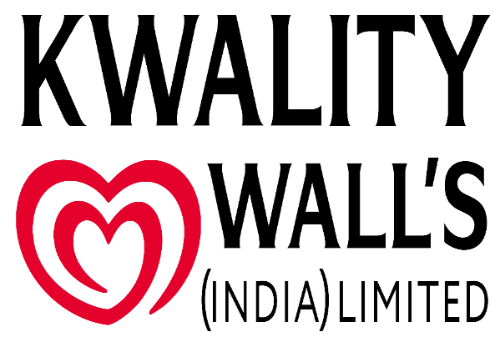

 | STATEMENT OF UNAUDITED FINANCIAL RESULTS FOR THE QUARTER ENDED 30TH JUNE 2026
 |  |  |  |  | (Rs. in millions)
 |  | Quarter ended | Quarter ended | Quarter ended | For the period from

 | Particulars | 30th June 2026 | 31st March 2026 | 30th June 2025 | 10th January 2025 to 31st March 2026
 |  | Unaudited | (Refer Note 2) | Unaudited (Refer Note 3) | Audited (Refer Note 4)
 | Revenue from operations
 | Sale of products | 8,678 | 4,746 | 7,440 | 22,003
 | Other operating revenue | 105 | 112 | 131 | 450
 | Other income | 15 | 2 | - | 3
 | TOTAL INCOME | 8,798 | 4,860 | 7,571 | 22,456

 | EXPENSES
 | Cost of materials consumed | 1,797 | 2,174 | 2,021 | 7,898
 | Purchases of stock-in-trade | 1,611 | 1,323 | 1,773 | 5,651
 | Changes in inventories of finished goods, work-in-progress and stock-in-trade | 1,314 | (783) | 338 | (1,514)
 | Employee benefits expense | 573 | 510 | 367 | 1,855
 | Finance costs | 104 | 91 | 54 | 297
 | Depreciation and amortisation expense | 403 | 382 | 346 | 1,723
 | Other expenses | 2,454 | 2,418 | 2,296 | 9,662
 | TOTAL EXPENSES | 8,256 | 6,115 | 7,195 | 25,572

 | Profit / (Loss) before exceptional items and tax | 542 | (1,255) | 376 | (3,116)
 | Exceptional items (Refer Note 5) | 135 | (177) | - | (1,139)
 | Profit / (Loss) before tax | 677 | (1,432) | 376 | (4,255)
 | Tax credit / (expense)
 | Current tax | - | - | - | -
 | Deferred tax | (170) | 361 | - | 567
 | PROFIT / (LOSS) FOR THE QUARTER / PERIOD (A) | 507 | (1,071) | 376 | (3,688)

 | OTHER COMPREHENSIVE INCOME
 | Items that will not be reclassified to profit or loss
 | Remeasurements of the net defined benefit plans | - | 64 | - | 64
 | Tax on above | - | (16) | - | (16)

 | OTHER COMPREHENSIVE INCOME FOR THE QUARTER / PERIOD (B) | - | 48 | - | 48

 | TOTAL COMPREHENSIVE INCOME / (LOSS) FOR THE QUARTER / PERIOD (A+B) | 507 | (1,023) | 376 | (3,640)

 | Paid up Equity Share Capital (Face value Re. 1 per share) |  |  |  | 2,350
 | Other Equity |  |  |  | 4,372

 | Earnings / (loss) per equity share (Face value of Re. 1 each) (not annualised for quarters)
 | Basic (in Rs.) | 0.22 | (0.46) | 0.16 | (1.57)
 | Diluted (in Rs.) | 0.22 | (0.46) | 0.16 | (1.57)

 | Kwality Wall’s (India) Limited
 | Registered Office: 13th Floor, Oberoi Commerz II, International Business Park, Oberoi Garden City, Goregaon East,
 | Mumbai, Maharashtra, India, 400063
 | CIN - L10505MH2025PLC437886 | Website – www.kwalitywallsindia.com | Phone: 022 45747000 | Email - kwalitywalls.India@magnumicecream.com

 | Notes to the unaudited financial results:

1 | The unaudited financial results for the quarter ended 30th June 2026 of Kwality Wall's (India) Limited (the 'Company') have been prepared in accordance with the recognition and measurement principles laid down in Indian Accounting Standard prescribed under Section 133 of the Companies Act, 2013 ('the Act') and other recognized accounting practices generally accepted in India. The aforesaid financial results are in compliance with Regulation 33 of SEBI (Listing Obligation and Disclosure Requirement) Regulation, 2015 as amended ('the Listing Regulations') and have been reviewed by the Audit Committee and subsequently approved by the Board of Directors of the Company at its meeting held on 14th August 2026. These unaudited financial results have been subjected to limited review by statutory auditors, who have issued an unmodified conclusion on the same.

2 | The figures for the quarter ended 31st March 2026 are the balancing figures between audited figures for the period from 10th January 2025 to 31st March 2026 and the unaudited published figures for the period from 10th January 2025 to 31st December 2025 which were subjected to limited review by the statutory auditors.

3 | Financial results for the quarter ended 30th June 2025 have been certified by the management and not subjected to limited review or audit by statutory auditors of the Company.

4 | The Company was incorporated on 10th January 2025 and, pursuant to Section 2(41) of the Companies Act, 2013, the first financial statements is for the period from 10th January 2025 to 31st March 2026. Accordingly, the audited financial results for the previous year are for the period from 10th January 2025 to 31st March 2026. Further, in accordance with the accounting treatment prescribed under the Scheme of Arrangement between Hindustan Unilever Limited ("HUL") and the Company for the demerger of the Ice Cream Business Undertaking of HUL, the figures for the period from 10th January 2025 to 30th November 2025 have been restated from the date of incorporation of the Company.

5 | Exceptional items for the quarter ended 30 June 2026 includes gain of Rs. 394 million resulting from the reversal of royalty and central service fees payable to Magnum IP Holding B.V. ("Magnum") for the period from 1st October 2025 to 31st March 2026, in accordance with the intellectual property agreement executed between Magnum and the Company. These were partly offset by impairment allowance of Rs. 166 million on property, plant and equipment and establishment costs of Rs. 93 million.

6 | The Company has identified ‘Ice-cream' as its only primary reportable segment in accordance with the requirements of Ind AS 108, 'Operating Segments'. Accordingly, no separate segment information has been provided.

7 | Earnings / (loss) per share (basic and diluted) has been calculated considering equity shares issued pursuant to the Scheme from the date of incorporation of the Company.

 | Place: Mumbai |  |  | For and on behalf of the Board
 | Date: 14th August 2026

 |  |  |  | Chitrank Goel
 |  |  |  | Deputy Managing Director
 |  |  |  | [DIN: 11388422]

 | Kwality Wall’s (India) Limited
 | Registered Office: 13th Floor, Oberoi Commerz II, International Business Park, Oberoi Garden City, Goregaon East,
 | Mumbai, Maharashtra, India, 400063
 | CIN - L10505MH2025PLC437886 | Website – www.kwalitywallsindia.com | Phone: 022 45747000 | Email - kwalitywalls.India@magnumicecream.com

